Case #1
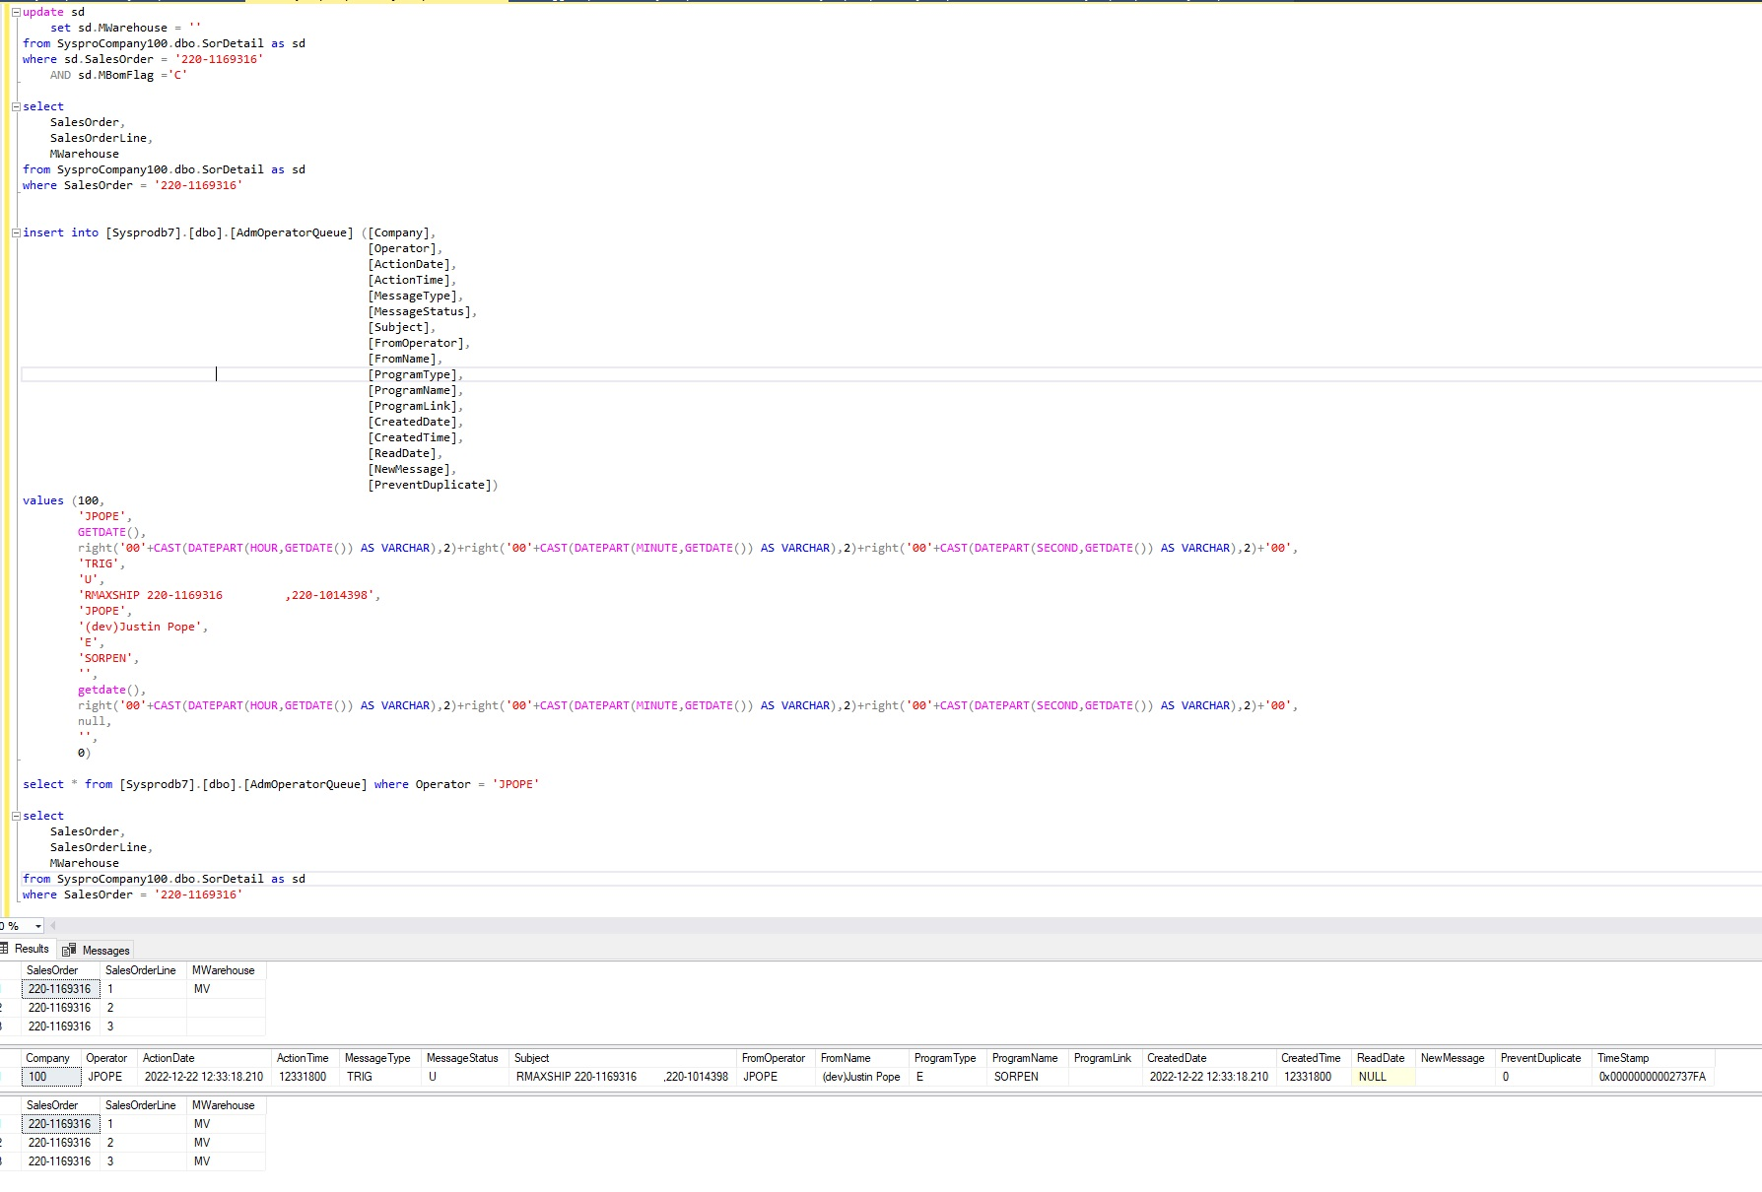
Justin Pope Dev Test
Test Case No. | 1
Process | Test trigger and procedure
Test Consideration | 1) access to SQL Server Management Studio
Test Condition |  | Data Used | How To Verify | Actual Results
Tasks
1 | run test scenario, kit items are blank for Mwarehouse insert AdmOperatorQueue record query items to comfirm | Azure Dev Data | query database | Screen shot of script and results below
Configuration/Data Setup for Testing Scenario
 | Set up trigger in Syspro to create the message in AdmOperatorQueue
Verification
Test Cast Screens Shots Before and After

